Sheet1
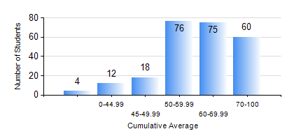
 |  |  | KWAME NKRUMAH UNIVERSITY OF SCIENCE AND TECHNOLOGY, KUMASI Department of Mechanical Engineering

 |  |  | BSC. MECHANICAL ENG.

 |  |  | COMPREHENSIVE RECORD OF EXAMINATION RESULTS

 |  |  | RESULTS OF YEAR 1 FIRST SEMESTER, 2024/2025 ACADEMIC YEAR

 | Sn | Course Code |  | Course Name | Credit Hours | Min. Mark | Max. Mark | Avg. Mark | Std. Dev. | No. Passed | No. Trailed | No. (Df) | No. (I) | No. (I*) | No. Tagged(I,I*,Df) | Total
 | 0. |  |  |  |  |  |  | 0 | 0 | 0 | 0 | 0 | 0 | 0 | 0 | 5
 | 1. | CE 155 |  | ENVIRONMENTAL STUDIES | 2 | 23 | 78 | 57 | 11.35 | 224 | 16 | 0 | 0 | 0 | 0 | 240
 | 2. | EE 151 |  | APPLIED ELECTRICITY | 3 | 12 | 88 | 55 | 14.55 | 220 | 20 | 0 | 0 | 0 | 0 | 240
 | 3. | ENGL 157 |  | COMMUNICATION SKILLS I | 2 | 21 | 87 | 65 | 11.53 | 235 | 5 | 0 | 0 | 0 | 0 | 240
 | 4. | MATH 151 |  | ALGEBRA | 4 | 40 | 95 | 68 | 13.28 | 239 | 0 | 0 | 1 | 0 | 1 | 240
 | 5. | ME 157 |  | INTRODUCTION TO INFORMATION TECHNOLOGY | 2 | 8 | 91 | 63 | 14.67 | 228 | 12 | 0 | 0 | 0 | 0 | 240
 | 6. | ME 159 |  | TECHNICAL DRAWING | 3 | 17 | 81 | 58 | 12.86 | 229 | 11 | 0 | 0 | 0 | 0 | 240
 | 7. | ME 195 |  | ENGINEERING TECHNOLOGY | 2 | 27 | 87 | 66 | 8.95 | 239 | 1 | 0 | 0 | 0 | 0 | 240

